Introduction
 | Chapter 8 - Date Formulas

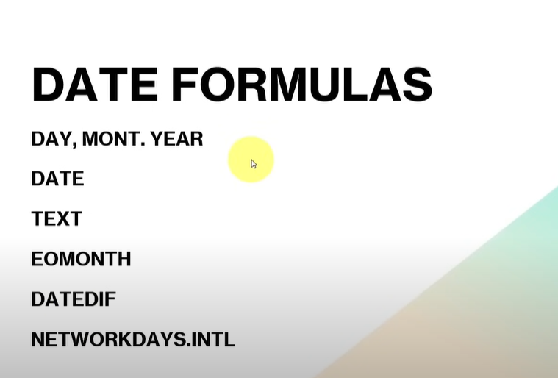

📆 DAY, MONTH, YEAR

These pull out parts of a date.

=DAY(A1) → gives the day number (1–31)

=MONTH(A1) → gives the month number (1–12)

=YEAR(A1) → gives the year (like 2024)

🔹 Example: If A1 has 2024-06-25, DAY(A1) gives 25, MONTH(A1) gives 6, and YEAR(A1) gives 2024.

📅 DATE

Combines year, month, and day into a full date.

=DATE(2024, 6, 25) → returns June 25, 2024

🔹 Useful when you have day, month, and year in separate columns and want to make it a date.

🔤 TEXT

Converts a date into text in the format you want.

=TEXT(A1, "dd-mmm-yyyy") → shows 25-Jun-2024

=TEXT(A1, "mmmm") → gives full month name like June

🔹 Good for formatting dates for reports.

📆 EOMONTH

Gives the last day of the month, before or after a date.

=EOMONTH(A1, 0) → last day of the current month

=EOMONTH(A1, 1) → last day of next month

🔹 Example: If A1 is 2024-06-15 → EOMONTH(A1, 0) = 2024-06-30

🔁 DATEDIF

Calculates the difference between two dates.

=DATEDIF(StartDate, EndDate, "d") → total days

=DATEDIF(StartDate, EndDate, "m") → full months

=DATEDIF(StartDate, EndDate, "y") → full years

🔹 Example: From 2024-01-01 to 2024-06-30 = 6 months

🧮 NETWORKDAYS.INTL

Counts working days between two dates.
(You can choose weekends and holidays too.)

=NETWORKDAYS.INTL(StartDate, EndDate, "0000011") → counts Mon–Fri only

You can also skip holidays by listing them in a range

🔹 Helps when calculating actual working days for projects.

